Supplementary Table 1
Compounds | Species
Abyssomicins | Verrucosispora | sp. | https://sci-hub.se/10.1016/j.mib.2006.03.004
Aureoverticillactam | Streptomyces | aureoverticillatus
Bonactin | Streptomyces | sp.
Caprolactones | Streptomyces | sp.
Chandrananimycins | Actinomadura | sp.
Chinikomycins | Streptomyces | sp.
Chloro-dihydroquinones | Novel | actinomycete
Diazepinomicin (ECO-4601) | Micromonosproa
3,6-disubstituted indole | Streptomyces | sp.
Frigocyclinone | Streptomyces | griseus
Glaciapyrroles | Streptomyces | sp.
Gutingimycin | Streptomyces | sp.
Helquinoline | Janibacter | limosus
Himalomycins | Streptomyces | sp.
IB-00208 | Actinomadura | sp.
Komodoquinone A | Streptomyces | A
Lajollamycin | Streptomyces | nodosus
Marinomycins | ‘Marinispora’ | Antibacterial;
Mechercharmycins | Thermoactinomyces | sp.
MKN-349A | Nocardiopsis | sp.
Salinosporamide A (NPI-0052) | Salinispora | tropica
Sporolides | Salinispora | tropica
Trioxacarcins | Streptomyces | sp.
salinosporamide A) | S. tropica |  | https://journals.asm.org/doi/full/10.1128/AEM.01891-06
sporolide A | S. tropica
rifamycin | S. arenicola
staurosporine | S. arenicola
saliniketal | S. arenicola
arenicolide A | S. arenicola
cyclomarin A | S. arenicola
cyanosporaside A | “S. pacifica”
salinispyrone A | “S. pacifica” B
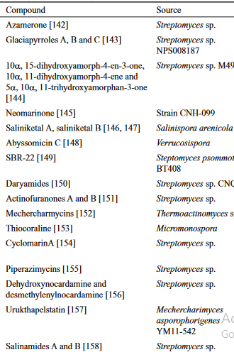
 |  |  | https://sci-hub.se/10.1007/s12088-008-0052-z

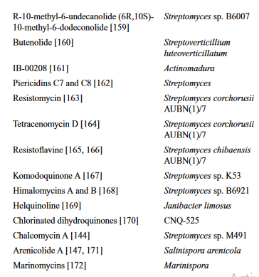

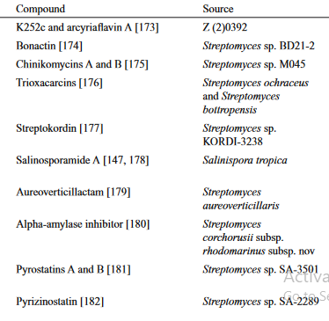

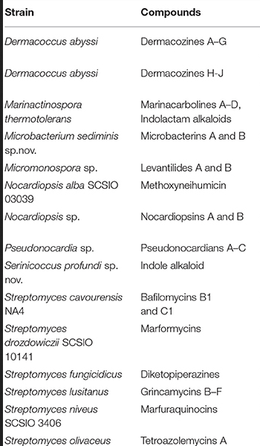
 |  |  | https://www.frontiersin.org/articles/10.3389/fmicb.2017.00760/full

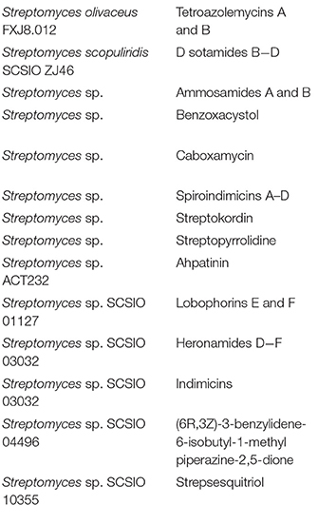

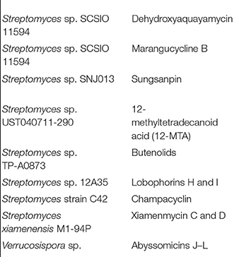

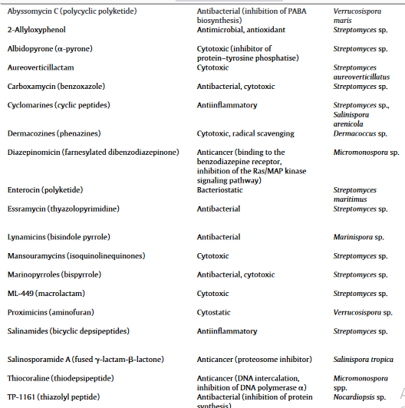
 |  |  | https://sci-hub.se/10.1016/j.jbiotec.2011.06.002

